Instructions
Tab | Description (feel free to delete this tab once you are familiar with the process)
BEFORE YOU BEGIN | Duplicate this default file (YBQ Excel Scoresheet 2-0) and then change the name of the duplicate file ("Oct 7 2017", for example)

Averages | Type in the names of the quizzers (yellow boxes) whose stats you'd like to track. Be sure the names are spelled exactly as they appear on the Scoresheet tabs (G1, G2, etc.)

Summary | No changes necessary. This tab updates automatically as games are played. Data is pulled from the Scoresheet tabs (G1, G2, etc.) as long as you are indicating the type of question for each question by tapping the question number and choosing the appropriate option. [See "Scoresheet" instructions below]

Details | Be sure the names (yellow boxes) are spelled exactly as they appear on the Scoresheet tabs (G1, G2, etc.). Data is pulled from the Scoresheet tabs as long as long as you are indicating the type of question for each question by tapping the question number and choosing the appropriate option. [See "Scoresheet" instructions below]

Scoresheets (G1, G2, etc.) | NOTE: Items in Yellow Boxes are designated to be edited. 1. Change the Team Names ("Team 1", "Team 2") by tapping on those cells and typing.

 | 2. Change the Quizzer Names ("Quizzer 1", etc.) by tapping on those cells and typing.
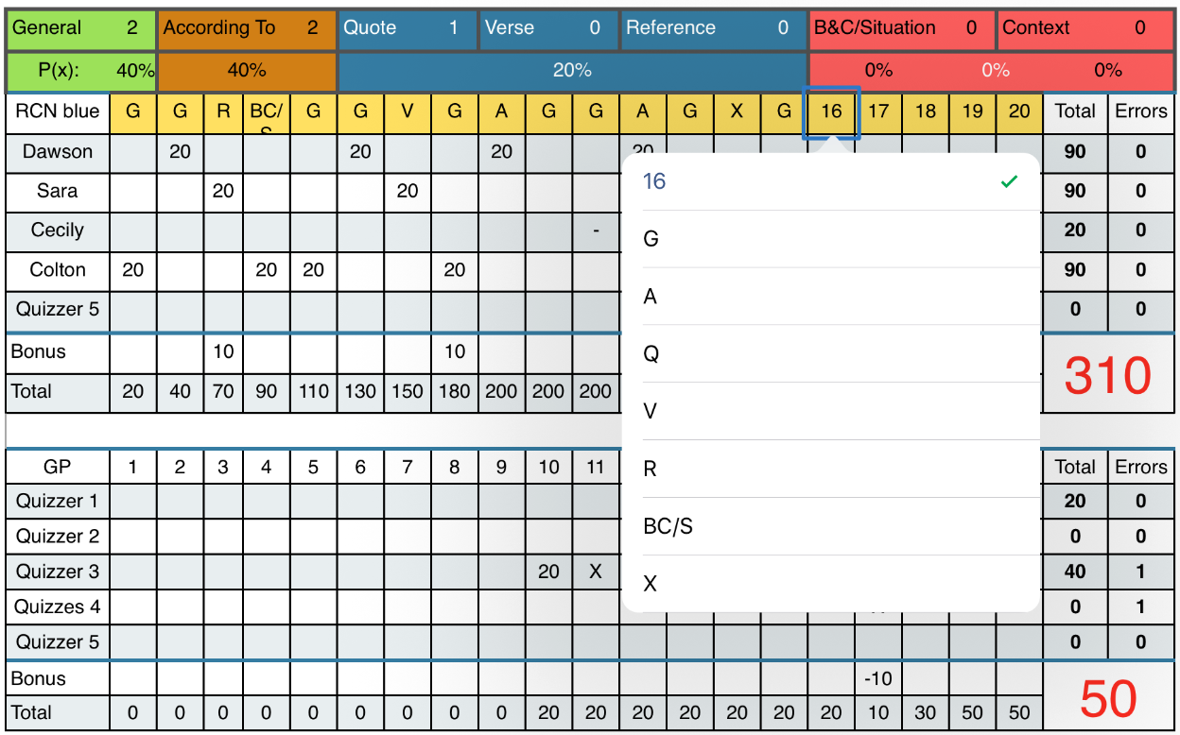
 | 3. As the game progreses, tap the Question Number and choose the type of question that was asked. As you do so, the Probabilities of what the next question may be will change. [See picture to the right. Question 16 was tapped] G = General, A = According To, Q = Quote, V = Verse, R = Reference, BC/S = Book & Chapter or Situation, X = Context 4. Tap the cell corresponding to the question number and the active quizzer to select the appropriate result:

 |  | 20 = Correct answer to the Toss-Up question
 |  | X = Incorrect answer to the Toss-Up question
 |  | B = Correct answer to the Bonus question
 |  | "-" = Incorrect answer to the Bonus question

TrnySum
% Questions Correct
 | % Correct:
General | 0%
Acc To | 0%
Quote | 0%
Verse | 0%
Reference | 0%
BC/S | 0%
Context | 0%
Total | 0%
Tournament Summary
 | General | Acc To | Quote | Verse | Reference | BC/S | Context | Total
Game 1
Game 2
Game 3
Game 4
Game 5
Game 6
Game 7
Game 8
Game 9
Game 10
Game 11
Game 12
Game 13
Game 14
Game 15
Total Correct: | 0 | 0 | 0 | 0 | 0 | 0 | 0 | 0
Total Possible: | 0 | 0 | 0 | 0 | 0 | 0 | 0 | 0
% Correct:

QzrSum
Toss-Up Questions Correct by Type
 | General | Acc To | Quote | Verse | Reference | BC/S | Context
Name 1 | 0 | 0 | 0 | 0 | 0 | 0 | 0
Name 2 | 0 | 0 | 0 | 0 | 0 | 0 | 0
Name 3 | 0 | 0 | 0 | 0 | 0 | 0 | 0
Name 4 | 0 | 0 | 0 | 0 | 0 | 0 | 0
Name 5 | 0 | 0 | 0 | 0 | 0 | 0 | 0
Quizzer Summary
 | General | Acc To | Quote | Verse | Reference | BC/S | Context | Total | Games Played
Name 1 |  |  |  |  |  |  |  |  | 0
Name 2 |  |  |  |  |  |  |  |  | 0
Name 3 |  |  |  |  |  |  |  |  | 0
Name 4 |  |  |  |  |  |  |  |  | 0
Name 5 |  |  |  |  |  |  |  |  | 0
Name 6 |  |  |  |  |  |  |  |  | 0
Name 7 |  |  |  |  |  |  |  |  | 0
Name 8 |  |  |  |  |  |  |  |  | 0
Name 9 |  |  |  |  |  |  |  |  | 0
Name 10 |  |  |  |  |  |  |  |  | 0
Name 11 |  |  |  |  |  |  |  |  | 0
Name 12 |  |  |  |  |  |  |  |  | 0
Name 13 |  |  |  |  |  |  |  |  | 0
Name 14 |  |  |  |  |  |  |  |  | 0
Name 15 |  |  |  |  |  |  |  |  | 0
Total Correct: | 0 | 0 | 0 | 0 | 0 | 0 | 0 | 0
Per Game |  |  |  |  |  |  |  | 0.0
Toss-Up Questions Correct by Type
 | Name 1 | Name 2 | Name 3 | Name 4 | Name 5
General | 0 | 0 | 0 | 0 | 0
Acc To | 0 | 0 | 0 | 0 | 0
Quote | 0 | 0 | 0 | 0 | 0
Verse | 0 | 0 | 0 | 0 | 0
Reference | 0 | 0 | 0 | 0 | 0
BC/S | 0 | 0 | 0 | 0 | 0
Context | 0 | 0 | 0 | 0 | 0

